Q1. Most & least revenue movies
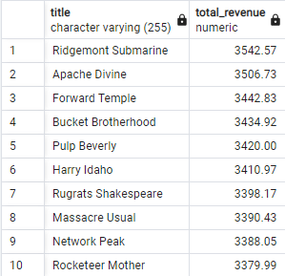
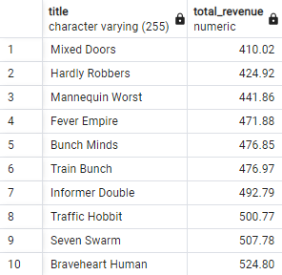
Which movies contributed the most revenue? | Which movies contributed the least revenue?
SELECT title, SUM(amount) AS total_revenue | SELECT title, SUM(amount) AS total_revenue
FROM film A | FROM film A
INNER JOIN inventory B on A.film_id = B.film_id | INNER JOIN inventory B ON A.film_id = B.film_id
INNER JOIN rental C on B.inventory_id = C.inventory_id | INNER JOIN rental C ON B.inventory_id = C.inventory_id
INNER JOIN payment D on C.rental_id = D.rental_id | INNER JOIN payment D ON C.customer_ID = D.customer_ID
GROUP BY title | GROUP BY title
ORDER BY total_revenue DESC | ORDER BY total_revenue ASC
LIMIT 10 | LIMIT 10

Q3. Customer countries
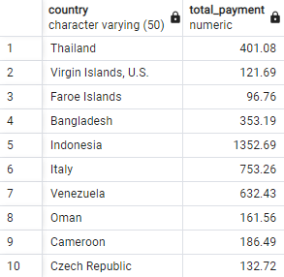
Which countries are Rockbuster customers based in?
SELECT country, SUM(amount) AS total_payment
FROM customer A
INNER JOIN address B ON A.address_id = B.address_id
INNER JOIN city C ON B.city_id = C.city_id
INNER JOIN country D ON C.country_ID = D.country_ID
INNER JOIN payment E ON a.customer_id = E.customer_id
GROUP BY country
LIMIT 10

Q4. High spending cust loc
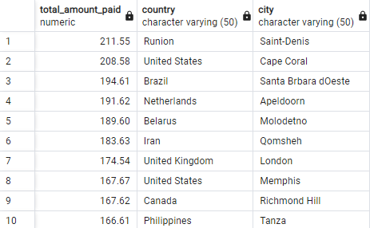
Where are customers with a high lifetime value based?
SELECT SUM(amount) AS total_amount_paid, E.country, D.city
FROM payment A
INNER JOIN customer B ON A.customer_id = B.customer_id
INNER JOIN address C ON B.address_id = C.address_id
INNER JOIN city D ON C.city_ID = D.city_ID
INNER JOIN country E ON D.country_ID = E.country_ID
GROUP BY country, city
ORDER BY SUM(A. amount) DESC
LIMIT 10

